1. Title Page
Instacart Customer Profiling Analysis

Project Name: Instacart Customer Profiling Analysis
Date: 06 September 2025
Analyst Name: Boukaskas Brahim

Contents:
Population Flow
Consistency checks
Wrangling steps
Column derivations
Visualizations
Recommendations

2. Population Flow
 |  |  | Title page

Population flow

Exclusion flag
Condition: max_order < 5
Observations to be removed: 0
Final total count of order_products_all: 24,436,791

Orders_products_combined
Orders_products_merged
Orders_products_all

Total:
Total:
Total:
32,434,489 | 32,434,489 | 32,434,212

1.) The grey boxes in the first row of the population flow represent the original data sets as they were when you downloaded them. In the Total fields you need to add the count of the rows when you imported the data set into Jupyter.
2.) The second row of boxes (coloured) represents the data sets after you manipulated them, e.g., removed missing values and duplicates. In the Total fields you need to add the count of the rows after conducting these operations. This offers a visual oveview of how the data flows throughout the data consistency checks.
3.) The third row, where also the arrows are coloured, represents the merges you performed between the datasets. In the Total fields you need to add the count of the rows in the merged datasets, so that you end up with the final dataset (in the red box). Keep in mind the final dataset should be without exclusions (based on the exclusion flag).

3. Consistency checks
 |  |  |  | Title page
Consistency checks

Dataset | Missing values | Missing values treatment | Duplicates
orders | No significant missing values found | Not required | None found
products | No missing values | Not required | Removed duplicate product entries
orders_products_prior | No missing values | Not required | None found
customers | No significant missing values found | Dropped columns for security; no missing values in key fields | None found

 | For all datasets, I checked for missing values using .isnull().sum() and for duplicates with .duplicated().sum(). The only data adjustments required were: Dropping PII columns in the customers dataset to ensure privacy. Removing duplicate product entries in the products dataset. The consistency checks confirmed that the core order, prior orders, and customer datasets were clean and ready for merging.

4. Wrangling steps
 |  |  |  | Title page
Wrangling steps

Columns dropped | Columns renamed | Columns' type changed | Comment/Reason
First Name, Surnam, Gender, date_joined, address | user_id → customer_id | None | Dropped PII for privacy compliance. Renamed user_id to customer_id to enable merging.
None | order_dow kept instead of renaming to orders_day_of_week | None | Avoided inconsistencies, used standard naming convention.
None | None | None | Verified numeric columns (prices, Age, income) were correct.
None | None | None | Created exclusion flag for customers with fewer than 5 orders (per CFO request).

 | Data wrangling steps included : dropping unnecessary or sensitive customer columns, renaming keys to enable merging, and ensuring consistent column naming conventions. I also introduced flags for spending and activity levels to focus the analysis on valuable customers.

5. Column derivations
 |  |  |  |  | Title page

Column derivations and aggregations

In this tab you should add tables below that the frequences of flags/label variables that you produced after deriving them. NB: don't do this for continuous variables, only for flags.
Dataset | New column | Column/s it was derived from | Conditions
orders_products_all | Region | STATE | Grouped states into Northeast, Midwest, South, West.
orders_products_all | total_spend | prices (per customer_id) | Sum of all prices for each customer.
orders_products_all | spending_flag | total_spend | High spender if spend > avg spend; otherwise Low spender.
orders_products_all | activity_flag | order_number | Active if orders ≥ 5; Low activity if orders < 5.
orders_products_all | Profile | Age, income, n_dependants, department_id | Logic for Young Adult, Young Parent, Senior, High-Income Professional.

 |  |  |  | Spending Flag | % of Customers
 |  |  |  | Low spender | 68.75%
 |  |  |  | High spender | 31.25%

 |  |  |  | Activity Flag | % of Customers
 |  |  |  | Active (≥5 orders) | 100%
 |  |  |  | Low activity (<5 orders) | 0%

 |  |  |  | Region | % of Customers
 |  |  |  | Other | 100%

 |  |  |  | Profile | % of Customers
 |  |  |  | Senior | 34.12%
 |  |  |  | Other | 29.87%
 |  |  |  | Young Parent | 25.91%
 |  |  |  | High-Income Professional | 5.44%
 |  |  |  | Young Adult – Independent | 4.66%

 |  |  |  | These tables show the frequencies of the derived categorical variables. Spending flags identify the majority of customers as low spenders. All low-activity customers were excluded, leaving only active users. Region currently shows as “Other” due to incomplete mapping of state codes. Profiling segmentation highlights Seniors (34%) and Young Parents (26%) as the dominant customer groups.

6. Visualizations
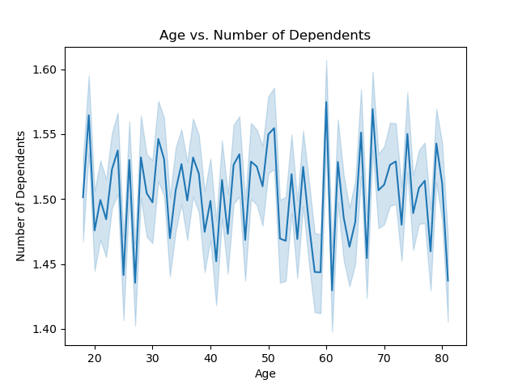
 |  |  |  | Title page

Visualisations

In this tab you should include all the visualtions from Exercises 4.9 and 4.10, alongside the questions from the project brief that they answer. Include any commentary on the relationship between different variables.

Visualization | Business Question | Commentary
Distribution of Customer Profiles | What types of customers are present in Instacart’s user base? | The majority are Seniors (34%), followed by Other (30%) and Young Parents (26%). Smaller groups include High-Income Professionals (5%) and Young Adults (5%). This shows that older customers dominate the platform, but there’s still diversity across profiles. | 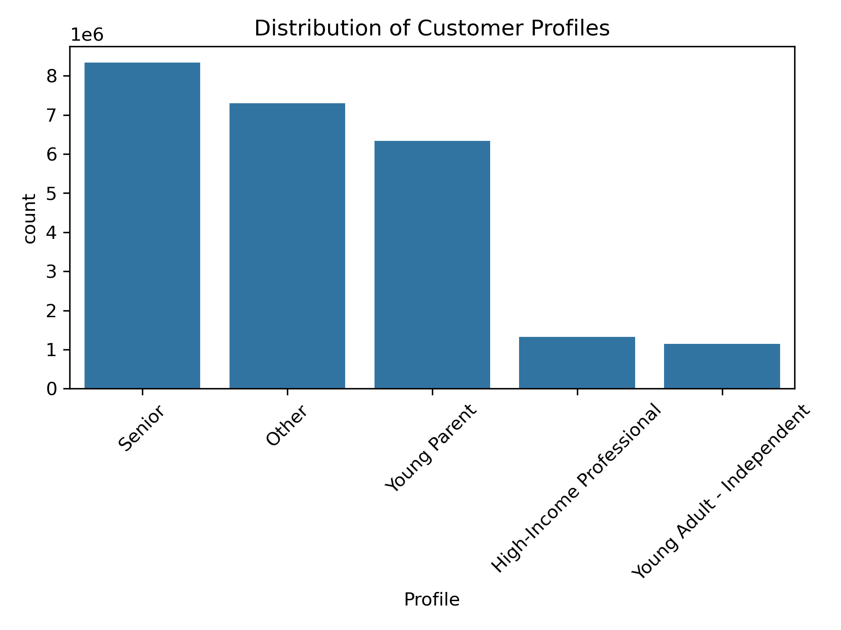
Customer Profiles by Region | Do customer types vary across U.S. regions? | Each region has a mix of profiles, but the South and Midwest show a higher proportion of Seniors, while the West has more Young Parents. This suggests region-specific marketing strategies could be more effective. | 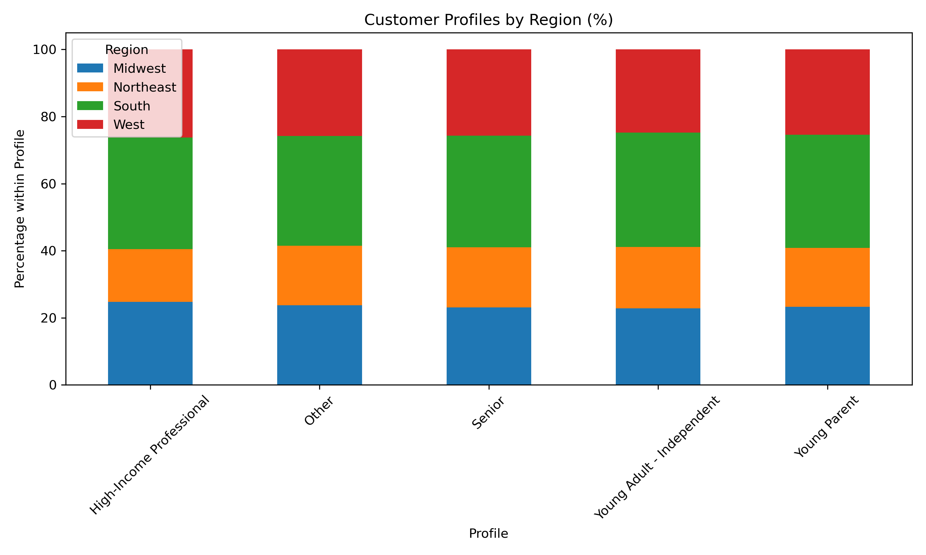
Spending Habits by Region | Are there regional differences in spending behavior? | Across all regions, low spenders dominate (~70%), but the Northeast and West show slightly higher proportions of high spenders (≈32%) compared to the Midwest and South. This insight is valuable for targeting promotions. | 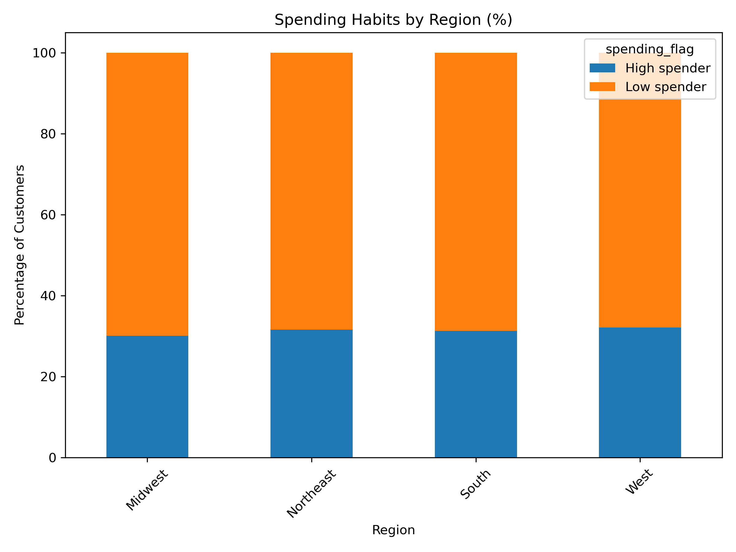
Average Spend per Profile | Which profiles generate the most revenue? | High-Income Professionals spend the most per order ($17), while Seniors, Young Adults, and Young Parents spend around $12–13. The “Other” group spends the least ($11). CFO and marketing teams should prioritize acquiring and retaining High-Income Professionals. | 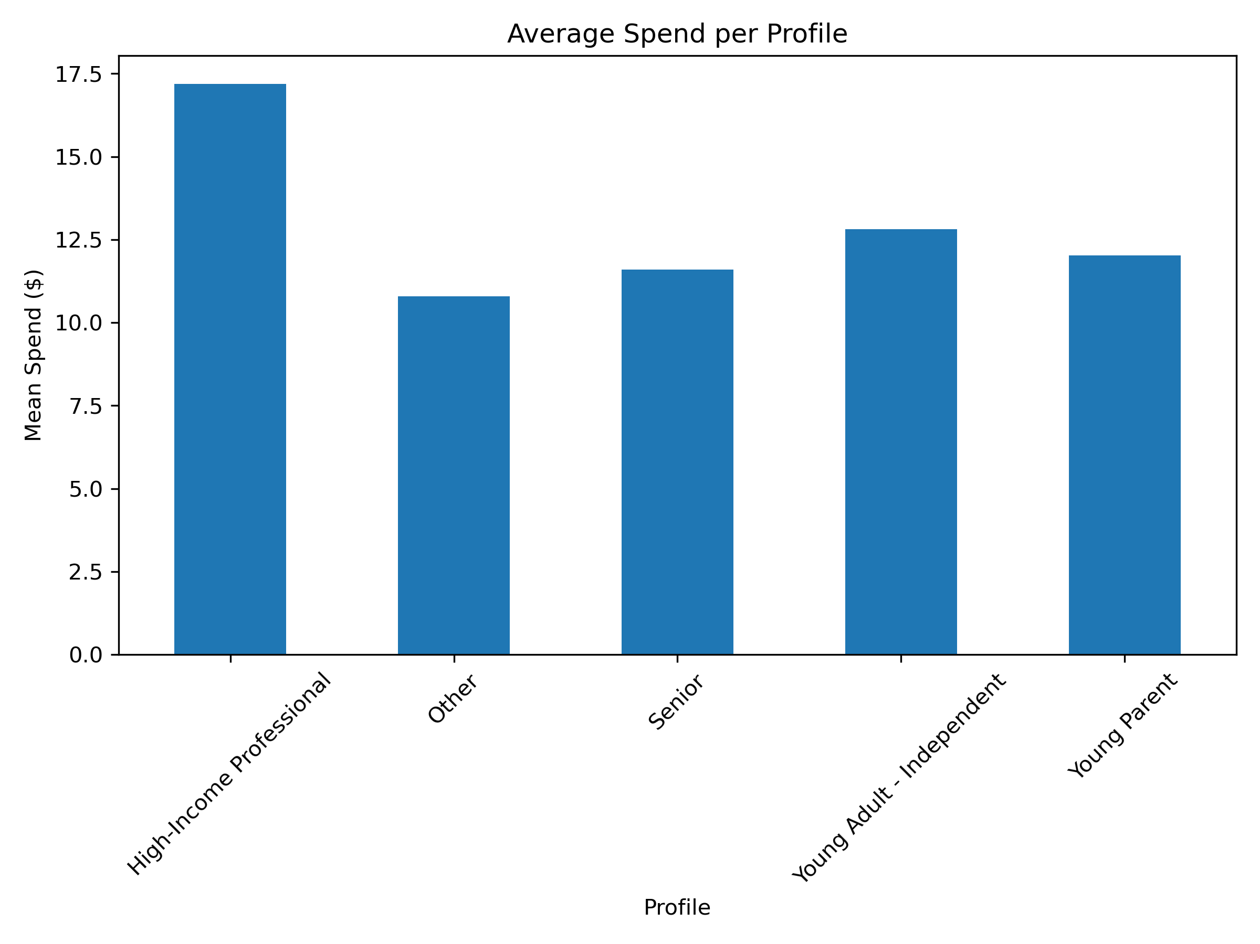
Profiles by Department (Top 10) | Which departments are most popular by profile? | All profiles buy heavily from department 4 (produce), but Young Parents also over-index in baby/household goods, while Seniors prefer frozen foods and pantry staples. This reveals different shopping patterns tied to demographics. | 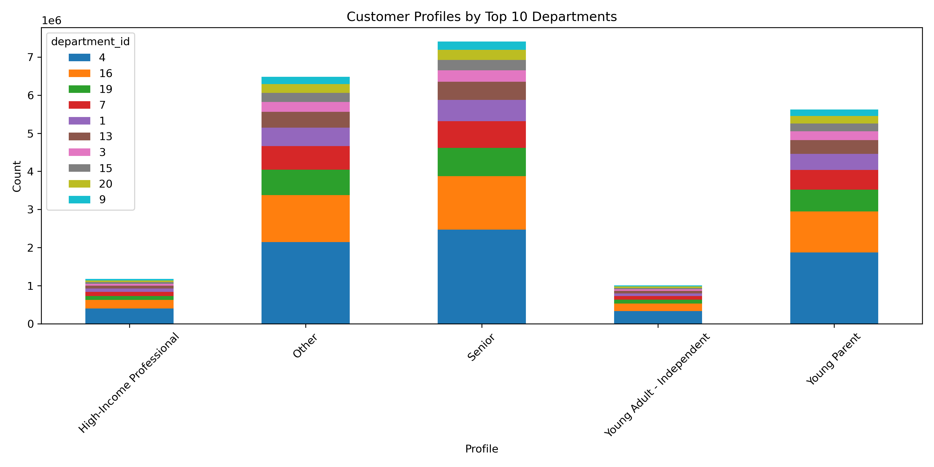
Distribution of Orders by Hour of Day | When do customers place the most orders? | Order volume peaks between 10am–3pm, tapering off into the evening. This suggests marketing campaigns and staffing should be concentrated midday. | 
Average Expenditure by Hour of Day | Does spending change depending on order time? | Spending is fairly stable throughout the day (~$10–15/order), but there are outliers around midnight/early morning. These spikes may be due to small sample sizes and can be ignored operationally. | 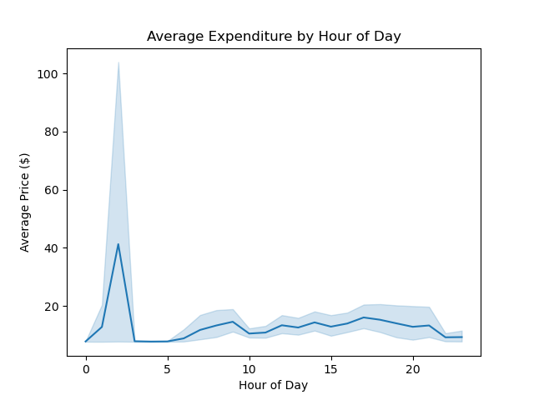
Customer Loyalty Distribution | How loyal are customers to Instacart? | Most customers are regulars (placing under 10 orders), but ~35% qualify as loyal (10–40 orders). A smaller group are very loyal (40+ orders). Retention strategies could target “regular” users to increase repeat orders. | 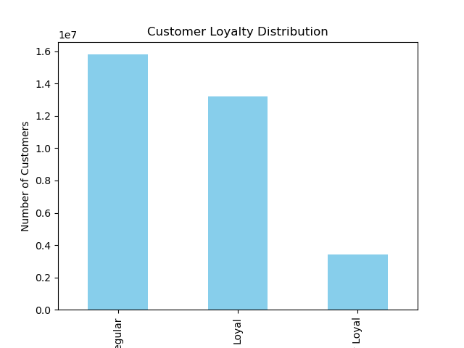
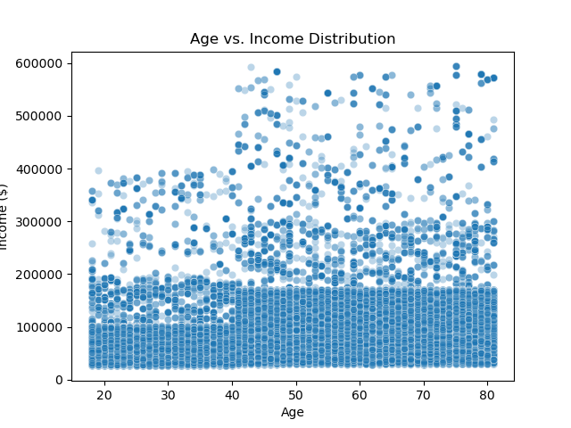
Age vs Income Distribution (exploratory) | How do age and income vary across customers? | Income is widely distributed across all ages, though higher incomes are more common among middle-aged customers (35–55). This supports the segmentation into High-Income Professionals.
Age vs Dependents (exploratory) | How does family size relate to age? | Younger customers (20s–30s) show slightly higher numbers of dependents, aligning with the Young Parent profile. Dependents decrease slightly in older age groups, aligning with Senior profiles.

7. Recommendations
 |  | Title page

Recommendations

In this tab you should include any recommendations you would made to Instcart in terms of their marketing strategy based on the questions posed in the brief. Every key question has been covered in the Tasks of the Exercises - here you need to add an item - a visualisation or table/crosstable that is showing the answer in the data, acompanied by a comment from you. Please, list the questions below and add the answer underneath.

Question | Answer
1. What types of customers use Instacart? | Most customers are Seniors (34%), followed by Young Parents (26%). Smaller groups include High-Income Professionals (5%) and Young Adults (5%). This means Instacart is used by both older people and younger families.
2. Are there regional differences in customer behavior? | Yes. Most customers are in the South (33%), then the West (26%), the Midwest (23%), and the Northeast (18%). Customers in the West and Northeast spend a bit more money per order.
3. Which customer profiles spend the most? | High-Income Professionals spend the most per order (~$17), while other groups spend about $12–13. Even though they are a smaller group, they bring more money in.
4. Do shopping habits change by department? | Yes. Everyone buys a lot of produce (fruits and vegetables). Young Parents also buy more baby and household items, while Seniors buy more frozen food and pantry staples.
5. When do customers shop the most? | Most orders are made between 10am and 3pm. This is the best time for Instacart to send ads or promotions.
6. Are customers loyal to Instacart? | Many customers are regulars (less than 10 orders). About 35% are loyal (10–40 orders), and a small group are very loyal (more than 40 orders). Instacart should encourage regular customers to order more often with rewards.
7. How do age, income, and dependents affect behavior? | People with higher incomes are often 35–55 years old. Young Parents usually have more children, while Seniors have fewer. Ads can be tailored — family deals for parents, convenience products for seniors.

